2020
 | 2020
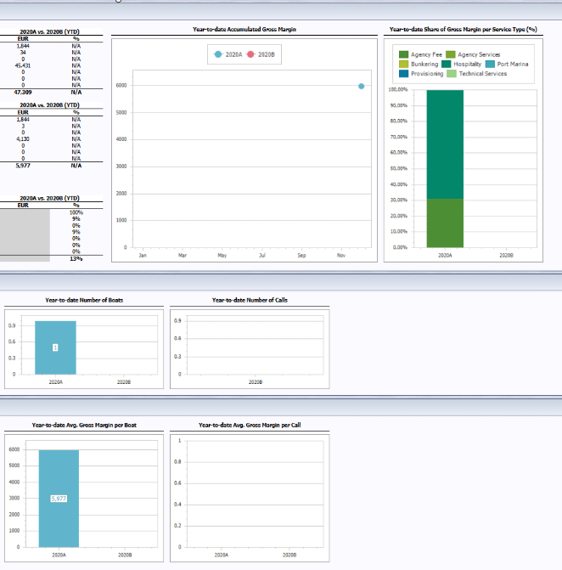
Revenues | 2020 | 2020B | 2020 | 2020B | EUR | % | Year-to-date Accumulated Gross Margin | Year-to-date Share of Gross Margin per Service Type (%)
Agency Fee | 1.844 |  | 1.844 |  | 1.844 | N/A
Agency Services | 34 |  | 34 |  | 34 | N/A
Bunkering | 0 |  |  |  | 0 | N/A
Hospitality | 45.431 |  | 45.431 |  | 45.431 | N/A
Port Marina | 0 |  |  |  | 0 | N/A
Provisioning | 0 |  |  |  | 0 | N/A
Technical Services | 0 |  |  |  | 0 | N/A
Total | 47.309 |  | 47.309 |  | 47.309 | N/A

 | Full Year |  | Year-to-date (YTD) |  | 2020A vs. 2020B (YTD)
Gross Margin | 2020 | 2020B | 2020 | 2020B | EUR | %
Agency Fee | 1.844 |  | 1.844 |  | 1.844 | N/A
Agency Services | 3 |  | 3 |  | 3 | N/A
Bunkering | 0 |  | 0 |  | 0 | N/A
Hospitality | 4.13 |  | 4.13 |  | 4.13 | N/A
Port Marina | 0 |  | 0 |  | 0 | N/A
Provisioning | 0 |  | 0 |  | 0 | N/A
Technical Services | 0 |  | 0 |  | 0 | N/A
Total | 5.977 |  | 5.977 |  | 5.977 | N/A

VAT | 0 |  | 0

 | Full Year |  | Year-to-date (YTD) |  | 2020A vs. 2020B (YTD)
Gross Margin (%) | 2020 | 2020B | 2020 | 2020B | EUR | %
Agency Fee | 100% | 0% | 100% | 0% |  | 100%
Agency Services | 9% | 0% | 9% | 0% |  | 9%
Bunkering |  | 0% | 0% | 0% |  | 0%
Hospitality | 9% | 0% | 9% | 0% |  | 9%
Port Marina |  | 0% | 0% | 0% |  | 0%
Provisioning |  | 0% | 0% | 0% |  | 0%
Technical Services |  | 0% | 0% | 0% |  | 0%
Total | 13% | 0% | 13% | 0% |  | 13%

Network Size and Activity
 | Full Year |  | Year-to-date (YTD) |  |  |  | Year-to-date Number of Boats | Year-to-date Number of Calls
Size of Network | 2020 | 2020B | 2020 | 2020B
Total number of unique boats - accumulated | 1 |  | 1

 | Full Year |  | Year-to-date (YTD)
Network Activity | 2020 | 2020B | 2020 | 2020B
Total number of port calls | 0 |  | 0
Total number of days spent in network
Avg. number of days per call
Avg. number of days per boat
Avg. number of port calls per boat | 0.0 |  | 0.0
Value of Services
 | Full Year |  | Year-to-date (YTD) |  |  |  | Year-to-date Avg. Gross Margin per Boat | Year-to-date Avg. Gross Margin per Call
Avg. Gross Margin per Boat | 2020 | 2020B | 2020 | 2020B
Agency Fee | 1.844 |  | 1.844
Agency Services | 3 |  | 3
Bunkering | 0 |  | 0
Hospitality | 4.13 |  | 4.13
Port Marina | 0 |  | 0
Provisioning | 0 |  | 0
Technical Services | 0 |  | 0
Total | 5.977 |  | 5.977

 | Full Year |  | Year-to-date (YTD)
Avg. Gross Margin per Call | 2020 | 2020B | 2020 | 2020B
Agency Fee
Agency Services
Bunkering
Hospitality
Port Marina
Provisioning
Technical Services
Total

2021
 | Full Year |  | Year-to-date (YTD) |  | 2021A vs. 2021B (YTD)
Revenues | 2021 | 2021B | 2021 | 2021B | EUR | % | Year-to-date Accumulated Gross Margin | Year-to-date Share of Gross Margin per Service Type (%)
Agency Fee | 87.733 |  | 87.733 |  | 87.733 | N/A
Agency Services | 44.237 |  | 44.237 |  | 44.237 | N/A
Bunkering | 3.357 |  | 3.357 |  | 3.357 | N/A
Hospitality | 13.866 |  | 13.866 |  | 13.866 | N/A
Port Marina | 181.403 |  | 181.403 |  | 181.403 | N/A
Provisioning | 6.764 |  | 6.764 |  | 6.764 | N/A
Technical Services | 23.175 |  | 23.175 |  | 23.175 | N/A
Total | 360.535 |  | 360.535 |  | 360.535 | N/A

 | Full Year |  | Year-to-date (YTD) |  | 2021A vs. 2021B (YTD)
Gross Margin | 2021 | 2021B | 2021 | 2021B | EUR | %
Agency Fee | 87.733 |  | 87.733 |  | 87.733 | N/A
Agency Services | 6.105 |  | 6.105 |  | 6.105 | N/A
Bunkering | 0 |  | 0 |  | 0 | N/A
Hospitality | 0 |  | 0 |  | 0 | N/A
Port Marina | 0 |  | 0 |  | 0 | N/A
Provisioning | 0 |  | 0 |  | 0 | N/A
Technical Services | 0 |  | 0 |  | 0 | N/A
Total | 93.838 |  | 93.838 |  | 93.838 | N/A

VAT | 0 |  | 0

 | Full Year |  | Year-to-date (YTD) |  | 2021A vs. 2021B (YTD)
Gross Margin (%) | 2021 | 2021B | 2021 | 2021B | EUR | %
Agency Fee | 100% | 0% | 100% | 0% |  | 100%
Agency Services | 14% | 0% | 14% | 0% |  | 14%
Bunkering | 0% | 0% | 0% | 0% |  | 0%
Hospitality | 0% | 0% | 0% | 0% |  | 0%
Port Marina | 0% | 0% | 0% | 0% |  | 0%
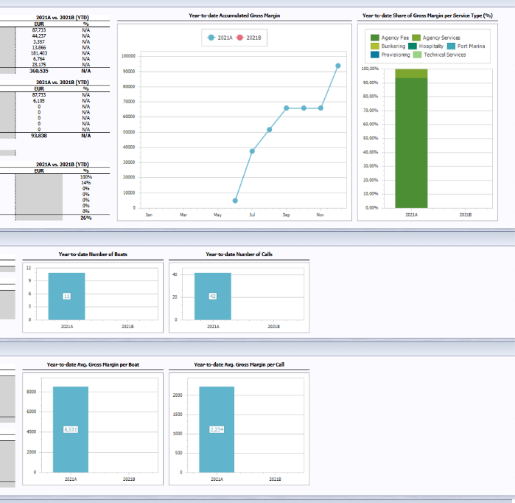
Provisioning | 0% | 0% | 0% | 0% |  | 0%
Technical Services | 0% | 0% | 0% | 0% |  | 0%
Total | 26% | 0% | 26% | 0% |  | 26%

Network Size and Activity
 | Full Year |  | Year-to-date (YTD) |  |  |  | Year-to-date Number of Boats | Year-to-date Number of Calls
Size of Network | 2021 | 2021B | 2021 | 2021B
Total number of unique boats - accumulated | 11 |  | 11

 | Full Year |  | Year-to-date (YTD)
Network Activity | 2021 | 2021B | 2021 | 2021B
Total number of port calls | 42 |  | 42
Total number of days spent in network | 218 |  | 219
Avg. number of days per call | 2026-02-05 |  | 2026-02-05
Avg. number of days per boat | 2026-08-19 |  | 2026-08-19
Avg. number of port calls per boat | 2026-08-03 |  | 2026-08-03
Value of Services
 | Full Year |  | Year-to-date (YTD) |  |  |  | Year-to-date Avg. Gross Margin per Boat | Year-to-date Avg. Gross Margin per Call
Avg. Gross Margin per Boat | 2021 | 2021B | 2021 | 2021B
Agency Fee | 7.976 |  | 7.976
Agency Services | 555 |  | 555
Bunkering | 0 |  | 0
Hospitality | 0 |  | 0
Port Marina | 0 |  | 0
Provisioning | 0 |  | 0
Technical Services | 0 |  | 0
Total | 8.531 |  | 8.531

 | Full Year |  | Year-to-date (YTD)
Avg. Gross Margin per Call | 2021 | 2021B | 2021 | 2021B
Agency Fee | 2.089 |  | 2.089
Agency Services | 145 |  | 145
Bunkering | 0 |  | 0
Hospitality | 0 |  | 0
Port Marina | 0 |  | 0
Provisioning | 0 |  | 0
Technical Services | 0 |  | 0
Total | 2.234 |  | 2.234

2022
 | Full Year |  | Year-to-date (YTD) |  | 2022A vs. 2022B (YTD) |  | Year-to-date Accumulated Gross Margin | Year-to-date Share of Gross Margin per Service Type (%)
Revenues | 2022 | 2022B | 2022 | 2022B | EUR | %
Agency Fee | 48.434 | 71.102 | 48.434 | 71.102 | -22.668 | -32%
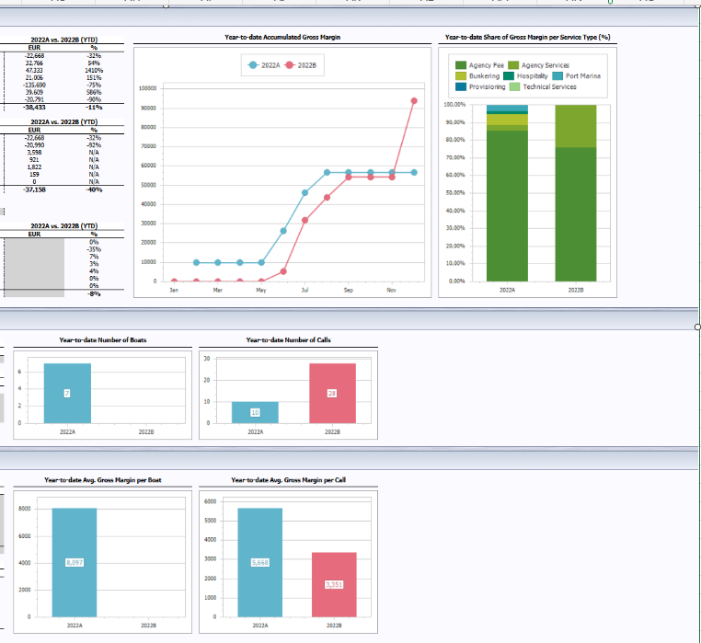
Agency Services | 93.633 | 60.867 | 93.633 | 60.867 | 32.766 | 54%
Bunkering | 50.69 | 3.357 | 50.69 | 3.357 | 47.333 | 1410%
Hospitality | 34.872 | 13.866 | 34.872 | 13.866 | 21.006 | 151%
Port Marina | 45.713 | 181.403 | 45.713 | 181.403 | -135.69 | -75%
Provisioning | 46.373 | 6.764 | 46.373 | 6.764 | 39.609 | 586%
Technical Services | 2.384 | 23.175 | 2.384 | 23.175 | -20.791 | -90%
Total | 322.101 | 360.534 | 322.101 | 360.534 | -38.433 | -11%

 | Full Year |  | Year-to-date (YTD) |  | 2022A vs. 2022B (YTD)
Gross Margin | 2022 | 2022B | 2022 | 2022B | EUR | %
Agency Fee | 48.434 | 71.102 | 48.434 | 71.102 | -22.668 | -32%
Agency Services | 1.745 | 22.735 | 1.745 | 22.735 | -20.99 | -92%
Bunkering | 3.598 | 0 | 3.598 | 0 | 3.598 | N/A
Hospitality | 921 | 0 | 921 | 0 | 921 | N/A
Port Marina | 1.822 | 0 | 1.822 | 0 | 1.822 | N/A
Provisioning | 159 | 0 | 159 | 0 | 159 | N/A
Technical Services | 0 | 0 | 0 | 0 | 0 | N/A
Total | 56.679 | 93.837 | 56.679 | 93.837 | -37.158 | -40%

VAT | 0 |  | 0

 | Full Year |  | Year-to-date (YTD) |  | 2022A vs. 2022B (YTD)
Gross Margin (%) | 2022 | 2022B | 2022 | 2022B | EUR | %
Agency Fee | 100% | 100% | 100% | 100% |  | 0%
Agency Services | 2% | 37% | 2% | 37% |  | -35%
Bunkering | 7% | 0% | 7% | 0% |  | 7%
Hospitality | 3% | 0% | 3% | 0% |  | 3%
Port Marina | 4% | 0% | 4% | 0% |  | 4%
Provisioning | 0% | 0% | 0% | 0% |  | 0%
Technical Services | 0% | 0% | 0% | 0% |  | 0%
Total | 18% | 26% | 18% | 26% |  | -8%

Network Size and Activity
 | Full Year |  | Year-to-date (YTD) |  |  |  | Year-to-date Number of Boats | Year-to-date Number of Calls
Size of Network | 2022 | 2022B | 2022 | 2022B
Total number of unique boats - accumulated | 7 |  | 7

 | Full Year |  | Year-to-date (YTD)
Network Activity | 2022 | 2022B | 2022 | 2022B
Total number of port calls | 10 | 28 | 10 | 28
Total number of days spent in network | 147 |  | 148
Avg. number of days per call | 2026-08-14 |  | 2026-08-14
Avg. number of days per boat | 21.0 |  | 21.0
Avg. number of port calls per boat | 2026-04-01 |  | 2026-04-01
Value of Services
 | Full Year |  | Year-to-date (YTD) |  |  |  | Year-to-date Avg. Gross Margin per Boat | Year-to-date Avg. Gross Margin per Call
Avg. Gross Margin per Boat | 2022 | 2022B | 2022 | 2022B
Agency Fee | 6.919 |  | 6.919
Agency Services | 249 |  | 249
Bunkering | 514 |  | 514
Hospitality | 132 |  | 132
Port Marina | 260 |  | 260
Provisioning | 23 |  | 23
Technical Services | 0 |  | 0
Total | 8.097 |  | 8.097

 | Full Year |  | Year-to-date (YTD)
Avg. Gross Margin per Call | 2022 | 2022B | 2022 | 2022B
Agency Fee | 4.843 | 2.539 | 4.843 | 2.539
Agency Services | 174 | 812 | 174 | 812
Bunkering | 360 | 0 | 360 | 0
Hospitality | 92 | 0 | 92 | 0
Port Marina | 182 | 0 | 182 | 0
Provisioning | 16 | 0 | 16 | 0
Technical Services | 0 | 0 | 0 | 0
Total | 5.668 | 3.351 | 5.668 | 3.351

2023
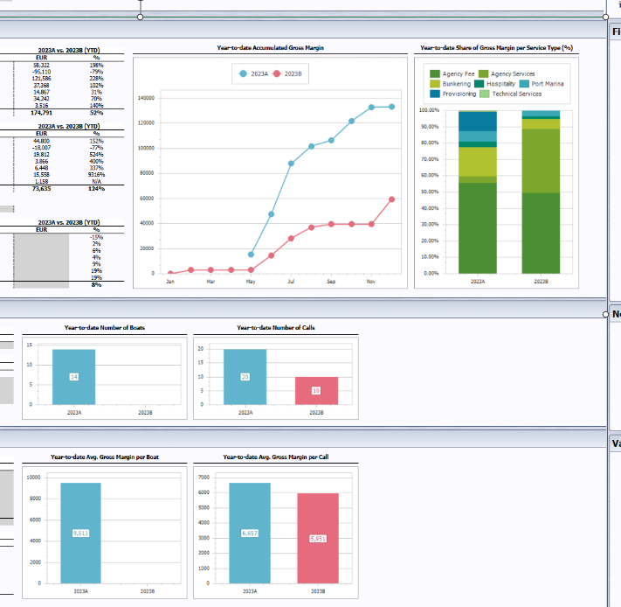
 | Full Year |  | Year-to-date (YTD) |  | 2023A vs. 2023B (YTD) |  | Year-to-date Accumulated Gross Margin | Year-to-date Share of Gross Margin per Service Type (%)
Revenues | 2023 | 2023B | 2023 | 2023B | EUR | %
Agency Fee | 87.716 | 29.394 | 87.716 | 29.394 | 58.322 | 198%
Agency Services | 24.666 | 119.776 | 24.666 | 119.776 | -95.11 | -79%
Bunkering | 174.811 | 53.225 | 174.811 | 53.225 | 121.586 | 228%
Hospitality | 73.984 | 36.616 | 73.984 | 36.616 | 37.368 | 102%
Port Marina | 62.866 | 47.999 | 62.866 | 47.999 | 14.867 | 31%
Provisioning | 82.934 | 48.692 | 82.934 | 48.692 | 34.242 | 70%
Technical Services | 6.019 | 2.503 | 6.019 | 2.503 | 3.516 | 140%
Total | 512.996 | 338.205 | 512.996 | 338.205 | 174.791 | 52%

 | Full Year |  | Year-to-date (YTD) |  | 2023A vs. 2023B (YTD)
Gross Margin | 2023 | 2023B | 2023 | 2023B | EUR | %
Agency Fee | 74.194 | 29.394 | 74.194 | 29.394 | 44.8 | 152%
Agency Services | 5.286 | 23.293 | 5.286 | 23.293 | -18.007 | -77%
Bunkering | 23.59 | 3.778 | 23.59 | 3.778 | 19.812 | 524%
Hospitality | 4.833 | 967 | 4.833 | 967 | 3.866 | 400%
Port Marina | 8.361 | 1.913 | 8.361 | 1.913 | 6.448 | 337%
Provisioning | 15.725 | 167 | 15.725 | 167 | 15.558 | 9316%
Technical Services | 1.158 | 0 | 1.158 | 0 | 1.158 | N/A
Total | 133.147 | 59.512 | 133.147 | 59.512 | 73.635 | 124%

VAT | 0 |  | 0

 | Full Year |  | Year-to-date (YTD) |  | 2023A vs. 2023B (YTD)
Gross Margin (%) | 2023 | 2023B | 2023 | 2023B | EUR | %
Agency Fee | 85% | 100% | 85% | 100% |  | -15%
Agency Services | 21% | 19% | 21% | 19% |  | 2%
Bunkering | 13% | 7% | 13% | 7% |  | 6%
Hospitality | 7% | 3% | 7% | 3% |  | 4%
Port Marina | 13% | 4% | 13% | 4% |  | 9%
Provisioning | 19% | 0% | 19% | 0% |  | 19%
Technical Services | 19% | 0% | 19% | 0% |  | 19%
Total | 26% | 18% | 26% | 18% |  | 8%

Network Size and Activity
 | Full Year |  | Year-to-date (YTD) |  |  |  | Year-to-date Number of Boats | Year-to-date Number of Calls
Size of Network | 2023 | 2023B | 2023 | 2023B
Total number of unique boats - accumulated | 14 |  | 14

 | Full Year |  | Year-to-date (YTD)
Network Activity | 2023 | 2023B | 2023 | 2023B
Total number of port calls | 20 | 10 | 20 | 10
Total number of days spent in network | 247 |  | 247
Avg. number of days per call | 2026-07-13 |  | 2026-07-13
Avg. number of days per boat | 2026-06-17 |  | 2026-06-17
Avg. number of port calls per boat | 2026-04-01 |  | 2026-04-01
Value of Services
 | Full Year |  | Year-to-date (YTD) |  |  |  | Year-to-date Avg. Gross Margin per Boat | Year-to-date Avg. Gross Margin per Call
Avg. Gross Margin per Boat | 2023 | 2023B | 2023 | 2023B
Agency Fee | 5.3 |  | 5.3
Agency Services | 378 |  | 378
Bunkering | 1.685 |  | 1.685
Hospitality | 345 |  | 345
Port Marina | 597 |  | 597
Provisioning | 1.123 |  | 1.123
Technical Services | 83 |  | 83
Total | 9.511 |  | 9.511

 | Full Year |  | Year-to-date (YTD)
Avg. Gross Margin per Call | 2023 | 2023B | 2023 | 2023B
Agency Fee | 3.71 | 2.939 | 3.71 | 2.939
Agency Services | 264 | 2.329 | 264 | 2.329
Bunkering | 1.179 | 378 | 1.179 | 378
Hospitality | 242 | 97 | 242 | 97
Port Marina | 418 | 191 | 418 | 191
Provisioning | 786 | 17 | 786 | 17
Technical Services | 58 | 0 | 58 | 0
Total | 6.657 | 5.951 | 6.657 | 5.951

2024
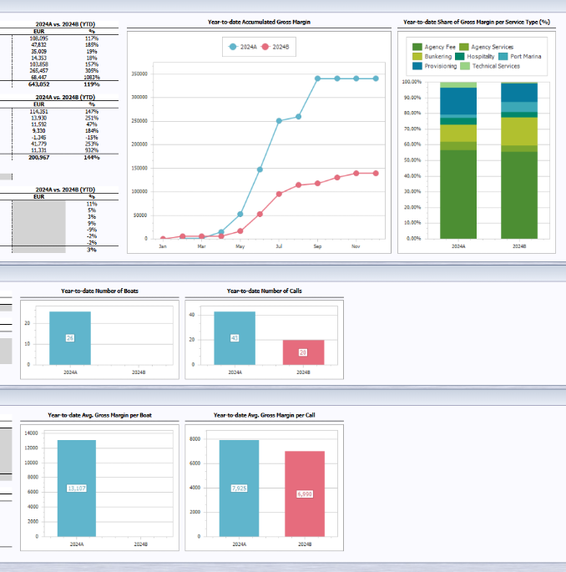
 | Full Year |  | Year-to-date (YTD) |  | 2024A vs. 2024B (YTD) |  | Year-to-date Accumulated Gross Margin | Year-to-date Share of Gross Margin per Service Type (%)
Revenues | 2024 | 2024B | 2024 | 2024B | EUR | %
Agency Fee | 200.198 | 92.103 | 200.198 | 92.103 | 108.095 | 117%
Agency Services | 73.732 | 25.899 | 73.732 | 25.899 | 47.832 | 185%
Bunkering | 218.56 | 183.552 | 218.56 | 183.552 | 35.009 | 19%
Hospitality | 92.037 | 77.683 | 92.037 | 77.683 | 14.353 | 18%
Port Marina | 169.868 | 66.01 | 169.868 | 66.01 | 103.858 | 157%
Provisioning | 352.537 | 87.081 | 352.537 | 87.081 | 265.457 | 305%
Technical Services | 74.767 | 6.32 | 74.767 | 6.32 | 68.447 | 1083%
Total | 1,181,699 | 538.648 | 1,181,699 | 538.648 | 643.052 | 119%

 | Full Year |  | Year-to-date (YTD) |  | 2024A vs. 2024B (YTD)
Gross Margin | 2024 | 2024B | 2024 | 2024B | EUR | %
Agency Fee | 192.254 | 77.904 | 192.254 | 77.904 | 114.351 | 147%
Agency Services | 19.48 | 5.55 | 19.48 | 5.55 | 13.93 | 251%
Bunkering | 36.361 | 24.77 | 36.361 | 24.77 | 11.592 | 47%
Hospitality | 14.406 | 5.076 | 14.406 | 5.076 | 9.33 | 184%
Port Marina | 7.434 | 8.779 | 7.434 | 8.779 | -1.345 | -15%
Provisioning | 58.291 | 16.512 | 58.291 | 16.512 | 41.779 | 253%
Technical Services | 12.547 | 1.216 | 12.547 | 1.216 | 11.331 | 932%
Total | 340.773 | 139.806 | 340.773 | 139.806 | 200.967 | 144%

VAT | 0 |  | 0

 | Full Year |  | Year-to-date (YTD) |  | 2024A vs. 2024B (YTD)
Gross Margin (%) | 2024 | 2024B | 2024 | 2024B | EUR | %
Agency Fee | 96% | 85% | 96% | 85% |  | 11%
Agency Services | 26% | 21% | 26% | 21% |  | 5%
Bunkering | 17% | 13% | 17% | 13% |  | 3%
Hospitality | 16% | 7% | 16% | 7% |  | 9%
Port Marina | 4% | 13% | 4% | 13% |  | -9%
Provisioning | 17% | 19% | 17% | 19% |  | -2%
Technical Services | 17% | 19% | 17% | 19% |  | -2%
Total | 29% | 26% | 29% | 26% |  | 3%

Network Size and Activity
 | Full Year |  | Year-to-date (YTD) |  |  |  | Year-to-date Number of Boats | Year-to-date Number of Calls
Size of Network | 2024 | 2024B | 2024 | 2024B
Total number of unique boats - accumulated | 26 |  | 26

 | Full Year |  | Year-to-date (YTD)
Network Activity | 2024 | 2024B | 2024 | 2024B
Total number of port calls | 43 | 20 | 43 | 20
Total number of days spent in network | 804 |  | 804
Avg. number of days per call | 2026-01-19 |  | 2026-01-19
Avg. number of days per boat | 2026-09-30 |  | 2026-09-30
Avg. number of port calls per boat | 2026-07-01 |  | 2026-07-01
Value of Services
 | Full Year |  | Year-to-date (YTD) |  |  |  | Year-to-date Avg. Gross Margin per Boat | Year-to-date Avg. Gross Margin per Call
Avg. Gross Margin per Boat | 2024 | 2024B | 2024 | 2024B
Agency Fee | 7.394 |  | 7.394
Agency Services | 749 |  | 749
Bunkering | 1.399 |  | 1.399
Hospitality | 554 |  | 554
Port Marina | 286 |  | 286
Provisioning | 2.242 |  | 2.242
Technical Services | 483 |  | 483
Total | 13.107 |  | 13.107

 | Full Year |  | Year-to-date (YTD)
Avg. Gross Margin per Call | 2024 | 2024B | 2024 | 2024B
Agency Fee | 4.471 | 3.895 | 4.471 | 3.895
Agency Services | 453 | 278 | 453 | 278
Bunkering | 846 | 1.238 | 846 | 1.238
Hospitality | 335 | 254 | 335 | 254
Port Marina | 173 | 439 | 173 | 439
Provisioning | 1.356 | 826 | 1.356 | 826
Technical Services | 292 | 61 | 292 | 61
Total | 7.925 | 6.99 | 7.925 | 6.99

2025
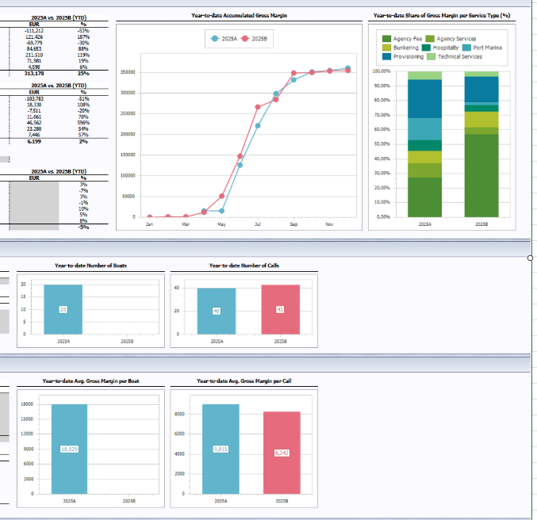
 | Full Year |  | Year-to-date (YTD) |  | 2025A vs. 2025B (YTD) |  | Year-to-date Accumulated Gross Margin | Year-to-date Share of Gross Margin per Service Type (%)
Revenues | 2025 | 2025B | 2025 | 2025B | EUR | %
Agency Fee | 98.996 | 210.208 | 98.996 | 210.208 | -111.212 | -53%
Agency Services | 186.286 | 64.86 | 186.286 | 64.86 | 121.426 | 187%
Bunkering | 159.709 | 229.488 | 159.709 | 229.488 | -69.779 | -30%
Hospitality | 181.29 | 96.637 | 181.29 | 96.637 | 84.653 | 88%
Port Marina | 389.871 | 178.361 | 389.871 | 178.361 | 211.51 | 119%
Provisioning | 442.144 | 370.163 | 442.144 | 370.163 | 71.981 | 19%
Technical Services | 83.102 | 78.504 | 83.102 | 78.504 | 4.598 | 6%
Total | 1,541,399 | 1,228,221 | 1,541,399 | 1,228,221 | 313.178 | 25%

 | Full Year |  | Year-to-date (YTD) |  | 2025A vs. 2025B (YTD)
Gross Margin | 2025 | 2025B | 2025 | 2025B | EUR | %
Agency Fee | 98.082 | 201.865 | 98.082 | 201.865 | -103.783 | -51%
Agency Services | 35.373 | 17.035 | 35.373 | 17.035 | 18.338 | 108%
Bunkering | 30.667 | 38.178 | 30.667 | 38.178 | -7.511 | -20%
Hospitality | 26.987 | 15.126 | 26.987 | 15.126 | 11.861 | 78%
Port Marina | 54.368 | 7.806 | 54.368 | 7.806 | 46.562 | 596%
Provisioning | 94.494 | 61.206 | 94.494 | 61.206 | 33.288 | 54%
Technical Services | 20.62 | 13.174 | 20.62 | 13.174 | 7.446 | 57%
Total | 360.589 | 354.39 | 360.589 | 354.39 | 6.199 | 2%

VAT | 0 |  | 0

 | Full Year |  | Year-to-date (YTD) |  | 2025A vs. 2025B (YTD)
Gross Margin (%) | 2025 | 2025B | 2025 | 2025B | EUR | %
Agency Fee | 99% | 96% | 99% | 96% |  | 3%
Agency Services | 19% | 26% | 19% | 26% |  | -7%
Bunkering | 19% | 17% | 19% | 17% |  | 3%
Hospitality | 15% | 16% | 15% | 16% |  | -1%
Port Marina | 14% | 4% | 14% | 4% |  | 10%
Provisioning | 21% | 17% | 21% | 17% |  | 5%
Technical Services | 25% | 17% | 25% | 17% |  | 8%
Total | 23% | 29% | 23% | 29% |  | -5%

Network Size and Activity
 | Full Year |  | Year-to-date (YTD) |  |  |  | Year-to-date Number of Boats | Year-to-date Number of Calls
Size of Network | 2025 | 2025B | 2025 | 2025B
Total number of unique boats - accumulated | 20 |  | 20

 | Full Year |  | Year-to-date (YTD)
Network Activity | 2025 | 2025B | 2025 | 2025B
Total number of port calls | 40 | 43 | 40 | 43
Total number of days spent in network | 535 |  | 534
Avg. number of days per call | 2026-07-13 |  | 2026-07-13
Avg. number of days per boat | 2026-08-26 |  | 2026-08-26
Avg. number of port calls per boat | 2.0 |  | 2.0
Value of Services
 | Full Year |  | Year-to-date (YTD) |  |  |  | Year-to-date Avg. Gross Margin per Boat | Year-to-date Avg. Gross Margin per Call
Avg. Gross Margin per Boat | 2025 | 2025B | 2025 | 2025B
Agency Fee | 4.904 |  | 4.904
Agency Services | 1.769 |  | 1.769
Bunkering | 1.533 |  | 1.533
Hospitality | 1.349 |  | 1.349
Port Marina | 2.718 |  | 2.718
Provisioning | 4.725 |  | 4.725
Technical Services | 1.031 |  | 1.031
Total | 18.029 |  | 18.029

 | Full Year |  | Year-to-date (YTD)
Avg. Gross Margin per Call | 2025 | 2025B | 2025 | 2025B
Agency Fee | 2.452 | 4.695 | 2.452 | 4.695
Agency Services | 884 | 396 | 884 | 396
Bunkering | 767 | 888 | 767 | 888
Hospitality | 675 | 352 | 675 | 352
Port Marina | 1.359 | 182 | 1.359 | 182
Provisioning | 2.362 | 1.423 | 2.362 | 1.423
Technical Services | 515 | 306 | 515 | 306
Total | 9.015 | 8.242 | 9.015 | 8.242

